EPPS NIGP SEARCH
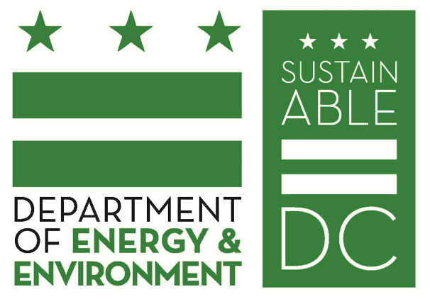
HOW TO USE THE EPPS NIGP SEARCH:
1) Select an EPPS Category from the splicer list on the right
2) Review the 3-Digit NIGP Code Description (Column B) to find your EPPS
3) Click the plus sign next to the 3-Digit Code Description to expand your selection
4) Identify a 5-Digit Code Description that best matches your EPPS purchase
5) Click the plus sign next to the 5-Digit Code Description to expand your selection
6) Choose a 7-Digit Code Description for your EPPS
7) Cross-check your 7-Digit Code for an available CBE by searching at the DSLBD website:
https://dcdslbd.my.salesforce-sites.com/public/DC_CBE_Certified_Contractors_Search

EPPS Category and NIGP Codes
Appliances
031 : Air Conditioning, Heating, And Ventilating Equipment, Parts And Accessories
045 : Appliances And Equipment, Household Type
055 : Automotive Accessories For Automobiles, Buses, Trailers, Trucks, Etc.
090 : Bakery Equipment, Commercial
165 : Cafeteria And Kitchen Equipment, Commercial
225 : Coolers, Drinking Water (Water Fountains)
260 : Dental Equipment And Supplies
415 : Furniture: Laboratory
500 : Laundry And Dry Cleaning Equipment, Accessories And Supplies, Commercial
557 : Mass Transportation, Transit Bus Accessories And Parts
740 : Refrigeration Equipment And Accessories
840 : Television Equipment And Accessories
998 : Sale Of Surplus And Obsolete Items

